Sheet1
 |  |  |  |  |  |  |  |  |  |  |  |  | Assume today's date is 15 June

Garden |  |  |  | Ballot |  |  |  |  |  |  |  |  | Window
Location | Name | NumPlots |  | BallotID | BallotSubmitDT | LeaseStart | LeaseDuration | Valid? | Success? | Location | Window_start_date | Username | Start_Date | Duration
Jurong Lake road | Jurong Lake Gardens | 300 |  | 1 | 2022-04-03 | 2022-05-01 | 3Y | TRUE | TRUE | Jurong Lake road | 2022-04-01 | John | 2022-04-01 | 1M
Yishun road | Yishun Garden | 80 |  | 2 | 2022-04-15 | 2022-05-01 | 3Y | FALSE | FALSE | Jurong Lake road | 2022-04-01 | Bob | 2022-06-01 | 1M
Sembawang road | Sembawang Garden | 50 |  | 3 | 2022-06-08 | 2022-07-01 | 3Y | FALSE | FALSE | Yishun road | 2022-06-01 | Charlie
 |  |  |  | 4 | 2022-04-21 | 2022-05-01 | 3Y | FALSE | TRUE | Jurong Lake road | 2022-04-01 | Derrick

User
Username | Email | Password | DOB | Address | PhoneNum
Alice | alice@gmail.com | 123 | 1990-01-01 | A road | 91119111
Bob | bob@gmail.com | 456 | 1998-03-01 | B road | 92229222
Charlie | charlie@gmail.com | 789 | 2000-04-04 | C road | 93339333
Derrick | derrick@gmail.com | 123 | 1999-09-03 | D road | 94449444

Legend
Primary Key
Foreign Key

Metadata
Valid? | A valid ballot means that the owner of the ballot has access to the Garden. Initially false. Becomes true when successful. A ballot can be successful and invalid if a user neglects his plot of land.
Success? | A successful ballot means that the algorithm has chosen that ballot. Computed at end of window.
LeaseStart | Start date when garden plot can be used.
LeaseDuration | Time allocated for the user to use garden plot. Usually 3 years. End date can be derived from LeaseStart and LeaseDuration.

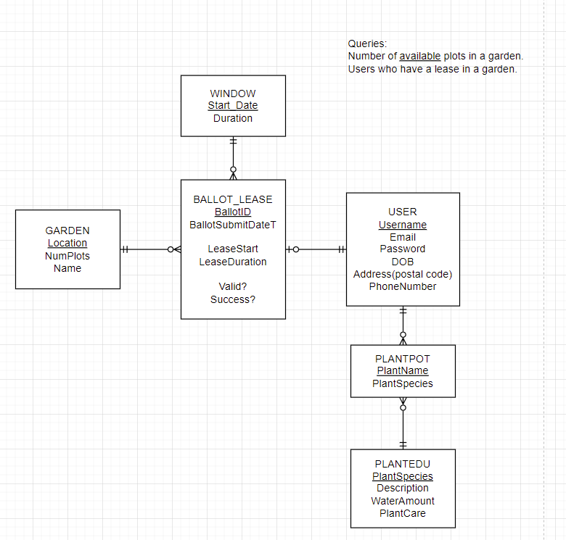
Events | Today is 15-Jun.
John bid for Jurong Lake Road on 3-Apr.
Bob bid for Jurong Lake Road on 15-Apr.
Derrick bid for Jurong Lake Road on 21-Apr.
On window end, 1-May, John and Derrick's bid was successful.
On 14-May, after investigations, Nparks concluded that Derrick has misused his plot of land. His lease was revoked.
On 8-Jun, Charlie bid for Yishun road.

